1) ATM Long Call Ex1
Margin Account | Time T0 |  |  |  |  | Time T1
Name |  | Share Number | Price | Capital Outlay | Capital Outlay x 2 Margin | Price + T1 | Holdings + T1 | Profit | Return on Capital | P/L
LONG Share ABC |  | 100 | $100.00 | $10,000.00 | $5,000.00 | $105.00 | $10,500.00 | $500.00 | 10.00% | $500.00
Vs
Options
Name | Strike Price | Share Number | Price | Capital Outlay |  | Price + T1 | Call Price + T1 | Profit | Return on Capital
LONG ABC Call | $100.00 | 100 | $2.00 | $200.00 |  | $105.00 | $105.00 | $500.00 | 150.00% | $300.00

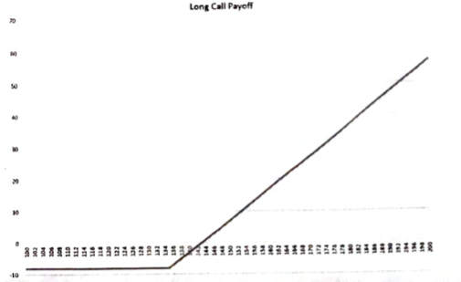
Inputs
Share Price T0 | $100.00
Share Price T1 | $105.00
Option Strike Price | $100.00
Option Price | $2.00

Stock Price Payoffs
Breakeven | $102.00
"1:1" | $104.00
"2:1" | $106.00
"3:1" | $108.00

2) ATM Long Put Ex1
Margin Account | Time T0 |  |  |  | Time T1
Name |  | Share Number | Price | Premium Collected | Price + T1 | Holdings + T1 | Profit |  | P/L
SHORT Share ABC |  | 100 | $77.21 | $7,721.00 | $85.11 | $8,511.00 | ($790.00) |  | ($790.00)
Vs
Options
Name | Strike Price | Share Number | Price | Capital Outlay | Price + T1 | Put Price + T1 | Profit | Return on Capital
LONG ABC Put | $77.50 | 100 | $4.95 | $495.00 | $85.11 | $85.11 | $0.00 | -100.00% | ($495.00)

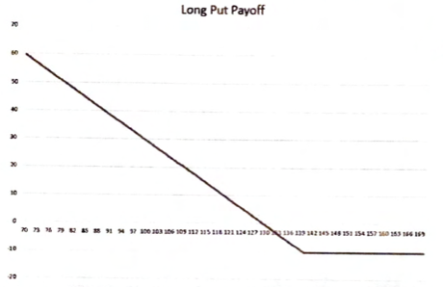
Inputs
Share Price T0 | $77.21
Share Price T1 | $85.11
Option Strike Price | $77.50
Option Price | $4.95

Stock Price Payoffs
Breakeven | $72.55
"1:1" | $67.60
"2:1" | $62.65
"3:1" | $57.70

3) Covered Call Ex2
Margin Account | Time T0 |  |  |  |  | Time T1
Name |  | Share Number | Price | Capital Outlay | Capital Outlay x 2 Margin | Price + T1 | Holdings + T1 | Profit | Return on Capital | P/L
LONG Share ABC |  | 100 | $75.00 | $7,500.00 | $3,750.00 | $80.00 | $8,000.00 | $500.00 | 13.33% | $500.00

Options
Name | Strike Price | Share Number | Call Price | Premium Collected
SHORT Call | $80.00 | 100 | $3.00 | $300.00

 |  |  |  |  |  |  |  |  | COMBINED P/L | $800.00
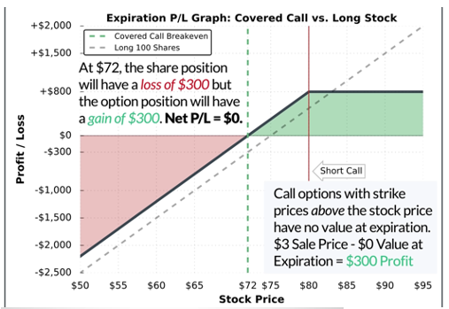
Inputs
Share Price T0 | $75.00
Share Price T1 | $100.00
Option Strike Price | $80.00
Option Price | $3.00

Stock Price Payoffs
Breakeven | $72.00

4) Bull Call Spread Ex2
Options | Time T0 |  |  |  | Time T1
Name | Strike Price | Share Number | Price | Capital Outlay | Price + T1 | Call Price + T1 | Profit |  | P/L
LONG XYZ Call | $135.00 | 100 | $8.53 | $852.50 | $155.00 | $155.00 | $2,000.00 |  | $1,147.50

Name | Strike Price | Share Number | Price | Premium Collected
SHORT XYZ Call | $155.00 | 100 | $1.48 | $147.50
 |  |  |  |  |  |  |  | COMBINED P/L | $1,295.00
 |  |  |  |  |  |  |  | Risk/Reward | 1.84

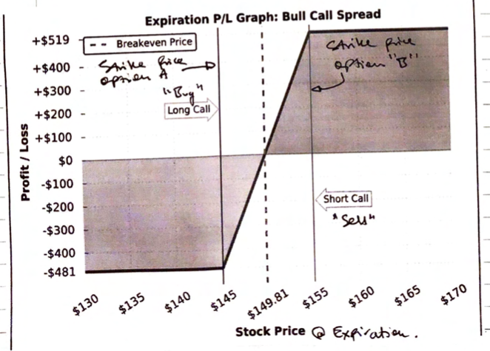
Inputs
Share Price T0 | $135.00
Share Price T1 | $155.00
Option A Strike Price | $135.00
Option A Price | $8.53
Option B Strike Price | $155.00
Option B Price | $1.48

Stock Price Payoffs
Breakeven | $142.05

5) Bear Put Spread Ex1
Options | Time T0 |  |  |  | Time T1
Name | Strike Price | Share Number | Price | Capital Outlay | Price + T1 | Put Price + T1 | Profit |  | P/L
LONG XYZ Put | $130.00 | 100 | $5.00 | $500.00 | $120.00 | $130.00 | $1,000.00 |  | $500.00

Name | Strike Price | Share Number | Price | Premium Collected
SHORT XYZ Put | $120.00 | 100 | $2.00 | $200.00
 |  |  |  |  |  |  |  | COMBINED P/L | $700.00
 |  |  |  |  |  |  |  | Risk/Reward | 2.33

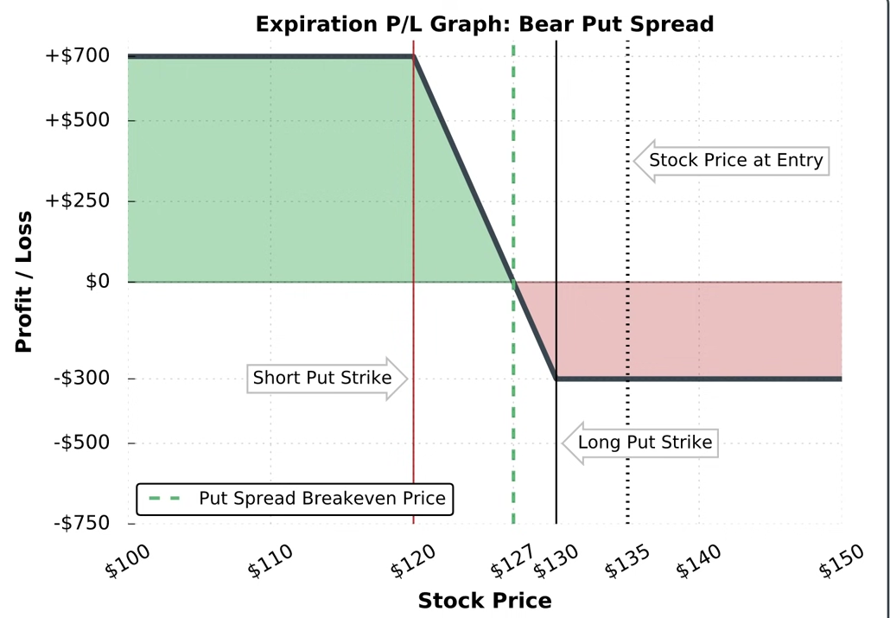
Inputs
Share Price T0 | $130.00
Share Price T1 | $120.00
Option A Strike Price | $130.00
Option A Price | $5.00
Option B Strike Price | $120.00
Option B Price | $2.00

Stock Price Payoffs
Breakeven | $127.00

6) Long Straddle Ex1
Options | Time T0 |  |  |  | Time T1
Name | Strike Price | Share Number | Price | Capital Outlay | Price + T1 | Call Price + T1 | Profit | Return on Capital | P/L
LONG XYZ Call | $250.00 | 100 | $15.20 | $1,520.00 | $250.00 | $250.00 | $0.00 | -100.00% | ($1,520.00)

Name | Strike Price | Share Number | Price | Capital Outlay | Price + T1 | Put Price + T1 | Profit | Return on Capital
LONG XYZ Put | $250.00 | 100 | $15.10 | $1,510.00 | $250.00 | $250.00 | $0.00 | -100.00% | ($1,510.00)

 |  |  |  |  |  |  |  | COMBINED P/L | ($3,030.00)
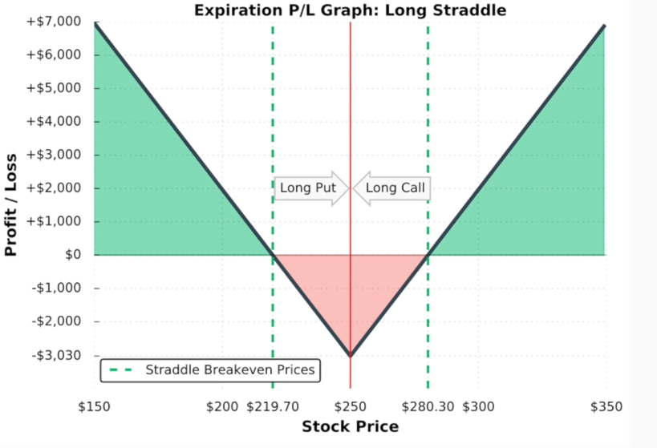
Inputs
Share Price T0 | $250.00
Share Price T1 | $250.00
Option A Strike Price | $250.00
Option A Price | $15.20
Option B Strike Price | $250.00
Option B Price | $15.10

Stock Price Payoffs
Breakeven1 | $280.30
Breakeven2 | $219.70
"1:1" Upper Bound | $310.60
"1:1" Lower Bound | $189.40
"2:1" Upper Bound | $340.90
"2:1" Lower Bound | $159.10
"3:1" Upper Bound | $371.20
"3:1" Lower Bound | $128.80

6) Long Straddle Ex5
Options | Time T0 |  |  |  | Time T1
Name | Strike Price | Share Number | Price | Capital Outlay | Price + T1 | Call Price + T1 | Profit | Return on Capital | P/L
LONG MSFT Call | $135.00 | 100 | $8.53 | $852.50 | $135.00 | $135.00 | $0.00 | -100.00% | ($852.50)

Name | Strike Price | Share Number | Price | Capital Outlay | Price + T1 | Put Price + T1 | Profit | Return on Capital
LONG MSFT Put | $135.00 | 100 | $7.38 | $737.50 | $135.00 | $135.00 | $0.00 | -100.00% | ($737.50)

 |  |  |  |  |  |  |  | COMBINED P/L | ($1,590.00)
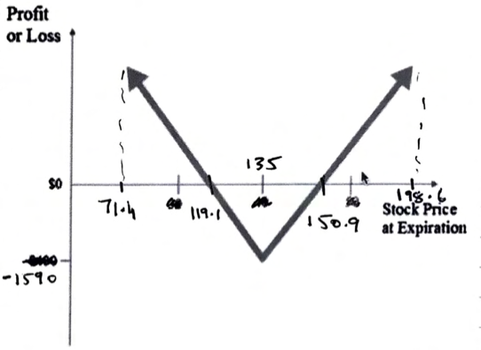
Inputs
Share Price T0 | $135.00
Share Price T1 | $135.00
Option A Strike Price | $135.00
Option A Price | $8.53
Option B Strike Price | $135.00
Option B Price | $7.38

Stock Price Payoffs
Breakeven1 | $150.90
Breakeven2 | $119.10
"1:1" Upper Bound | $166.80
"1:1" Lower Bound | $103.20
"2:1" Upper Bound | $182.70
"2:1" Lower Bound | $87.30
"3:1" Upper Bound | $198.60
"3:1" Lower Bound | $71.40

7) Long Strangle
Options | Time T0 |  |  |  | Time T1
Name | Strike Price | Share Number | Price | Capital Outlay | Price + T1 | Call Price + T1 | Profit | Return on Capital | P/L
LONG MSFT Call | $140.00 | 100 | $6.03 | $602.50 | $135.00 | $140.00 | $0.00 | -100.00% | ($602.50)

Name | Strike Price | Share Number | Price | Capital Outlay | Price + T1 | Put Price + T1 | Profit | Return on Capital
LONG MSFT Put | $130.00 | 100 | $5.45 | $545.00 | $135.00 | $135.00 | $0.00 | -100.00% | ($545.00)

 |  |  |  |  |  |  |  | COMBINED P/L | ($1,147.50)

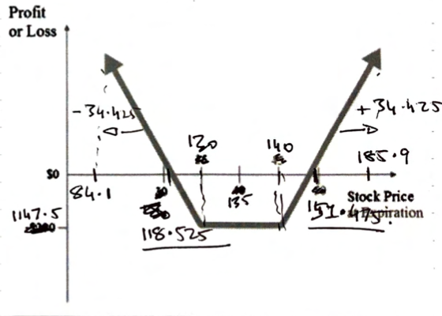
Inputs
Share Price T0 | $135.00
Share Price T1 | $135.00
Option A Strike Price | $140.00
Option A Price | $6.03
Option B Strike Price | $130.00
Option B Price | $5.45

Stock Price Payoffs
Breakeven1 | $151.48
Breakeven2 | $118.53
"1:1" Upper Bound | $162.95
"1:1" Lower Bound | $107.05
"2:1" Upper Bound | $174.43
"2:1" Lower Bound | $95.58
"3:1" Upper Bound | $185.90
"3:1" Lower Bound | $84.10

